Sheet1
Key | English | Maximum character count | Context | Danish | Dutch | French | German | Italian | Korean | Norwegian | Portuguese | Spanish | Swedish | Turkish
SN_UPDATE_CANCELLED | Update Cancelled.\r | 40 | When the Cancel button is pressed from the Software Upgrade Screen and no Software Update takes place. | Opdatering annulleret.\r | Update geannuleerd.\r | Mise à jour annulée.\r | Aktualisierung abgebrochen.\r | Aggiornamento annullato.\r | 업데이트 취소됨.\r | Oppdateringen er avbrutt.\r | Atualização cancelada.\r | Actualización cancelada.\r | Uppdateringen avbröts.\r | Güncelleştirme İptal Edildi.\r
 |  |  | 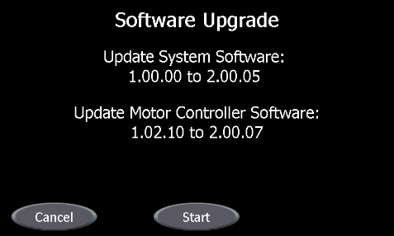
 |  |  | 